Sheet1
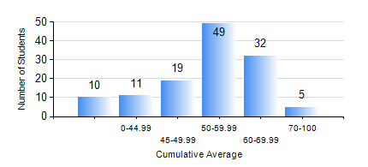
 |  |  | KWAME NKRUMAH UNIVERSITY OF SCIENCE AND TECHNOLOGY, KUMASI Department of Agricultural and Biosystems Engineering

 |  |  | BSC. AGRICULTURAL ENG.

 |  |  | COMPREHENSIVE RECORD OF EXAMINATION RESULTS

 |  |  | RESULTS OF YEAR 1 SECOND SEMESTER, 2022/2023 ACADEMIC YEAR

 | Sn | Course Code |  | Course Name | Credit Hours | Min. Mark | Max. Mark | Avg. Mark | Std. Dev. | No. Passed | No. Trailed | No. (Df) | No. (I) | No. (I*) | No. Tagged(I,I*,Df) | Total
 | 0. |  |  |  |  |  |  | 0 | 0 | 0 | 0 | 0 | 0 | 0 | 0 | 10
 | 1. | AE 158 |  | INTRODUCTION TO INFORMATION TECHNOLOGY | 2 | 30 | 79 | 55 | 7.35 | 115 | 1 | 0 | 0 | 0 | 0 | 116
 | 2. | AE 162 |  | BASIC AGRICULTURE | 2 | 24 | 90 | 64 | 11.68 | 114 | 2 | 0 | 0 | 0 | 0 | 116
 | 3. | AE 196 |  | ENGINEERING WORKSHOP PRACTICE | 1 | 45 | 84 | 66 | 7.08 | 116 | 0 | 0 | 0 | 0 | 0 | 116
 | 4. | EE 152 |  | BASIC ELECTRONICS | 3 | 23 | 90 | 53 | 11.66 | 107 | 9 | 0 | 0 | 0 | 0 | 116
 | 5. | ENGL 158 |  | COMMUNICATION SKILLS II | 2 | 33 | 82 | 58 | 9.87 | 115 | 1 | 0 | 0 | 0 | 0 | 116
 | 6. | MATH 152 |  | CALCULUS WITH ANALYSIS | 4 | 32 | 70 | 51 | 7.69 | 109 | 6 | 1 | 0 | 0 | 1 | 116
 | 7. | ME 160 |  | ENGINEERING DRAWING | 3 | 24 | 86 | 57 | 10.66 | 114 | 1 | 1 | 0 | 0 | 1 | 116
 | 8. | ME 162 |  | BASIC MECHANICS | 3 | 8 | 91 | 53 | 16.01 | 101 | 15 | 0 | 0 | 0 | 0 | 116

